Sheet1
Description |  | Concept #1 | Concept #2 | Concept #3 | Description |  | Concept #1 | Concept #2 | Concept #3
Sketch |  | 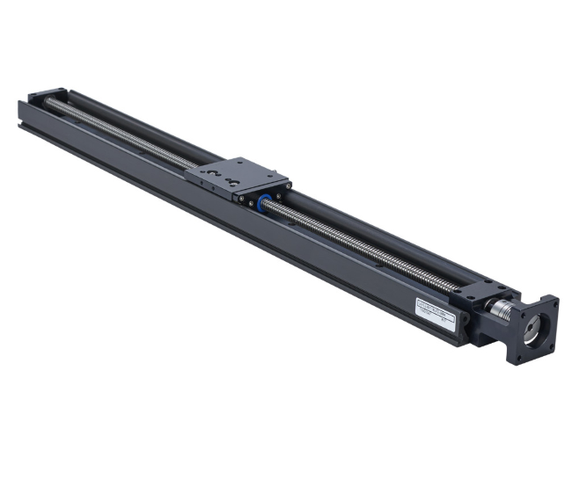 | 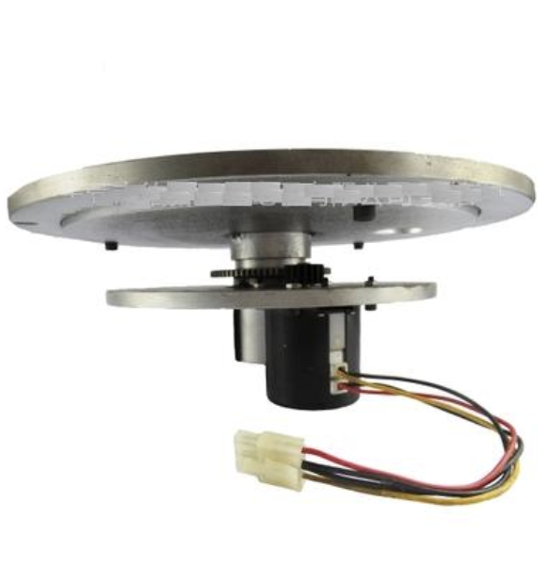 | 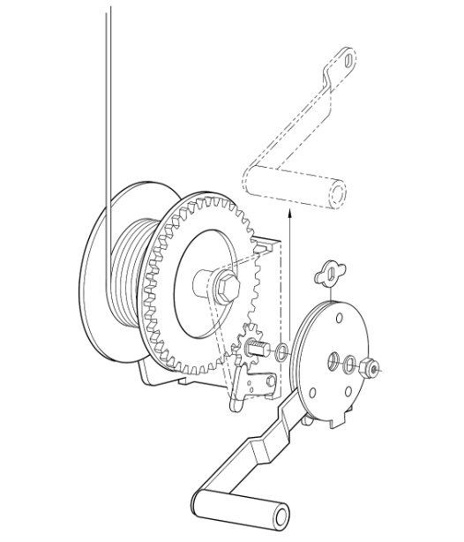 | Sketch |  |  |  | 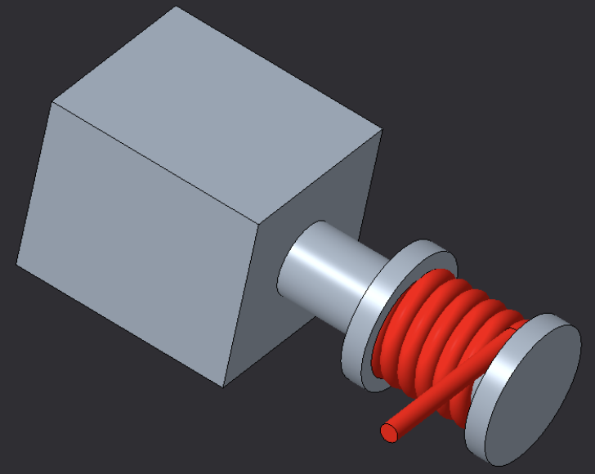
Criteria | Weight | Design 1 | Design 2 | Design 3 | Criteria | Weight | Design 1 | Design 2 | Design 3
Size | 2 | -1 | 0 | 1 | Size | 2 | -1 | 0 | 1
Cost | 1 | -1 | -1 | 0 | Cost | 1 | -1 | -1 | 0
Accuracy | 3 | 0 | 1 | 1 | Accuracy | 3 | 0 | 1 | 1
Ease of use | 3 | 1 | 1 | 1 | Ease of sterilization | 2 | 0 | -1 | 0
Manufacturability | 2 | 0 | -1 | 1 | Manufacturability | 2 | 0 | -1 | 1
Speed | 1 | 1 | 1 | 1 | Speed | 1 | 1 | 1 | 1
Ease of sterilization | 2 | 0 | -1 | 0
 |  |  |  |  | + |  | 1 | 2 | 4
+ |  | 2 | 3 | 5 | 0 |  | 3 | 1 | 2
0 |  | 3 | 1 | 2 | - |  | 2 | 3 | 0
- |  | 2 | 3 | 0 | Net Score |  | -2 | -1 | 8
Net Score |  | 1 | 2 | 11

